PopulationReport
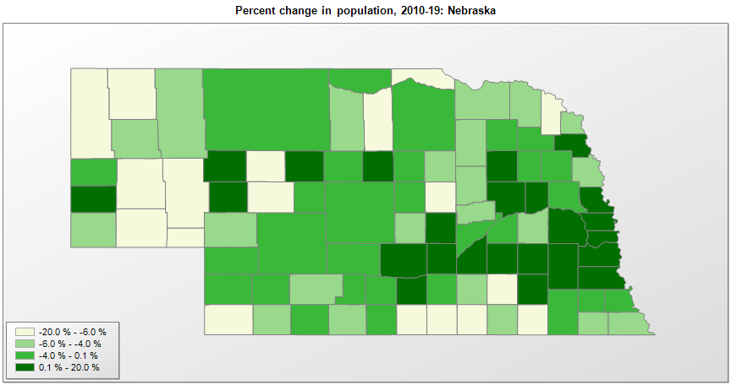

FIPS* | County name | RUC code | Pop. 1990 | Pop. 2000 | Pop. 2010 | Pop. 2019 | Change 2010-19
31000 | Nebraska |  | 1,578,417 | 1,711,230 | 1,826,305 | 1,934,408 | 5.9%
31001 | Adams County | 4 | 29,625 | 31,150 | 31,367 | 31,363 | 0.0%
31003 | Antelope County | 9 | 7,965 | 7,447 | 6,685 | 6,298 | -5.8%
31005 | Arthur County | 9 | 462 | 444 | 460 | 463 | 0.7%
31007 | Banner County | 9 | 852 | 815 | 690 | 745 | 8.0%
31009 | Blaine County | 9 | 675 | 583 | 478 | 465 | -2.7%
31011 | Boone County | 9 | 6,667 | 6,259 | 5,505 | 5,192 | -5.7%
31013 | Box Butte County | 7 | 13,130 | 12,159 | 11,308 | 10,783 | -4.6%
31015 | Boyd County | 9 | 2,835 | 2,443 | 2,099 | 1,919 | -8.6%
31017 | Brown County | 9 | 3,657 | 3,525 | 3,143 | 2,955 | -6.0%
31019 | Buffalo County | 4 | 37,447 | 42,232 | 46,099 | 49,659 | 7.7%
31021 | Burt County | 8 | 7,868 | 7,791 | 6,858 | 6,459 | -5.8%
31023 | Butler County | 6 | 8,601 | 8,857 | 8,395 | 8,016 | -4.5%
31025 | Cass County | 2 | 21,318 | 24,319 | 25,241 | 26,248 | 4.0%
31027 | Cedar County | 9 | 10,131 | 9,626 | 8,852 | 8,402 | -5.1%
31029 | Chase County | 9 | 4,381 | 4,068 | 3,966 | 3,924 | -1.1%
31031 | Cherry County | 7 | 6,307 | 6,149 | 5,713 | 5,689 | -0.4%
31033 | Cheyenne County | 7 | 9,494 | 9,833 | 9,998 | 8,910 | -10.9%
31035 | Clay County | 8 | 7,123 | 7,036 | 6,539 | 6,203 | -5.1%
31037 | Colfax County | 7 | 9,139 | 10,434 | 10,515 | 10,709 | 1.8%
31039 | Cuming County | 7 | 10,117 | 10,203 | 9,139 | 8,846 | -3.2%
31041 | Custer County | 7 | 12,270 | 11,794 | 10,939 | 10,777 | -1.5%
31043 | Dakota County | 3 | 16,742 | 20,265 | 21,006 | 20,026 | -4.7%
31045 | Dawes County | 7 | 9,021 | 9,060 | 9,182 | 8,589 | -6.5%
31047 | Dawson County | 7 | 19,940 | 24,370 | 24,326 | 23,595 | -3.0%
31049 | Deuel County | 9 | 2,237 | 2,089 | 1,932 | 1,794 | -7.1%
31051 | Dixon County | 3 | 6,143 | 6,277 | 6,003 | 5,636 | -6.1%
31053 | Dodge County | 4 | 34,500 | 36,150 | 36,685 | 36,565 | -0.3%
31055 | Douglas County | 2 | 416,444 | 463,567 | 517,116 | 571,327 | 10.5%
31057 | Dundy County | 9 | 2,582 | 2,292 | 2,008 | 1,693 | -15.7%
31059 | Fillmore County | 8 | 7,103 | 6,634 | 5,890 | 5,462 | -7.3%
31061 | Franklin County | 9 | 3,938 | 3,569 | 3,225 | 2,979 | -7.6%
31063 | Frontier County | 9 | 3,101 | 3,089 | 2,756 | 2,627 | -4.7%
31065 | Furnas County | 9 | 5,553 | 5,324 | 4,959 | 4,676 | -5.7%
31067 | Gage County | 6 | 22,794 | 22,992 | 22,311 | 21,513 | -3.6%
31069 | Garden County | 9 | 2,460 | 2,294 | 2,057 | 1,837 | -10.7%
31071 | Garfield County | 9 | 2,141 | 1,902 | 2,049 | 1,969 | -3.9%
31073 | Gosper County | 9 | 1,928 | 2,143 | 2,044 | 1,990 | -2.6%
31075 | Grant County | 9 | 769 | 735 | 614 | 623 | 1.5%
31077 | Greeley County | 8 | 3,006 | 2,714 | 2,538 | 2,356 | -7.2%
31079 | Hall County | 3 | 48,925 | 53,577 | 58,611 | 61,353 | 4.7%
31081 | Hamilton County | 3 | 8,862 | 9,408 | 9,114 | 9,324 | 2.3%
31083 | Harlan County | 9 | 3,810 | 3,783 | 3,417 | 3,380 | -1.1%
31085 | Hayes County | 9 | 1,222 | 1,068 | 960 | 922 | -4.0%
31087 | Hitchcock County | 9 | 3,750 | 3,110 | 2,908 | 2,762 | -5.0%
31089 | Holt County | 7 | 12,599 | 11,544 | 10,435 | 10,067 | -3.5%
31091 | Hooker County | 9 | 793 | 783 | 736 | 682 | -7.3%
31093 | Howard County | 3 | 6,057 | 6,561 | 6,274 | 6,445 | 2.7%
31095 | Jefferson County | 7 | 8,759 | 8,340 | 7,547 | 7,046 | -6.6%
31097 | Johnson County | 8 | 4,673 | 4,488 | 5,217 | 5,071 | -2.8%
31099 | Kearney County | 7 | 6,629 | 6,887 | 6,489 | 6,495 | 0.1%
31101 | Keith County | 7 | 8,584 | 8,868 | 8,371 | 8,034 | -4.0%
31103 | Keya Paha County | 9 | 1,029 | 985 | 824 | 806 | -2.2%
31105 | Kimball County | 8 | 4,108 | 4,085 | 3,821 | 3,632 | -4.9%
31107 | Knox County | 9 | 9,564 | 9,370 | 8,701 | 8,332 | -4.2%
31109 | Lancaster County | 2 | 213,641 | 250,307 | 285,407 | 319,090 | 11.8%
31111 | Lincoln County | 5 | 32,508 | 34,630 | 36,288 | 34,914 | -3.8%
31113 | Logan County | 9 | 878 | 774 | 763 | 748 | -2.0%
31115 | Loup County | 9 | 683 | 712 | 628 | 664 | 5.7%
31117 | McPherson County | 9 | 546 | 533 | 539 | 494 | -8.3%
31119 | Madison County | 5 | 32,655 | 35,254 | 34,876 | 35,099 | 0.6%
31121 | Merrick County | 3 | 8,062 | 8,189 | 7,859 | 7,755 | -1.3%
31123 | Morrill County | 9 | 5,423 | 5,443 | 5,042 | 4,642 | -7.9%
31125 | Nance County | 8 | 4,275 | 4,042 | 3,735 | 3,519 | -5.8%
31127 | Nemaha County | 7 | 7,980 | 7,580 | 7,248 | 6,972 | -3.8%
31129 | Nuckolls County | 9 | 5,786 | 5,056 | 4,500 | 4,148 | -7.8%
31131 | Otoe County | 6 | 14,252 | 15,402 | 15,740 | 16,012 | 1.7%
31133 | Pawnee County | 9 | 3,317 | 3,089 | 2,773 | 2,613 | -5.8%
31135 | Perkins County | 9 | 3,367 | 3,199 | 2,967 | 2,891 | -2.6%
31137 | Phelps County | 7 | 9,715 | 9,746 | 9,188 | 9,034 | -1.7%
31139 | Pierce County | 9 | 7,827 | 7,843 | 7,266 | 7,148 | -1.6%
31141 | Platte County | 5 | 29,820 | 31,574 | 32,237 | 33,470 | 3.8%
31143 | Polk County | 9 | 5,655 | 5,629 | 5,402 | 5,213 | -3.5%
31145 | Red Willow County | 7 | 11,705 | 11,456 | 11,055 | 10,724 | -3.0%
31147 | Richardson County | 7 | 9,937 | 9,531 | 8,363 | 7,865 | -6.0%
31149 | Rock County | 9 | 2,019 | 1,754 | 1,528 | 1,357 | -11.2%
31151 | Saline County | 6 | 12,715 | 13,858 | 14,200 | 14,224 | 0.2%
31153 | Sarpy County | 2 | 102,583 | 122,633 | 158,835 | 187,196 | 17.9%
31155 | Saunders County | 2 | 18,285 | 19,827 | 20,778 | 21,578 | 3.9%
31157 | Scotts Bluff County | 5 | 36,025 | 36,952 | 36,970 | 35,618 | -3.7%
31159 | Seward County | 2 | 15,450 | 16,491 | 16,750 | 17,284 | 3.2%
31161 | Sheridan County | 9 | 6,750 | 6,186 | 5,469 | 5,246 | -4.1%
31163 | Sherman County | 8 | 3,718 | 3,312 | 3,152 | 3,001 | -4.8%
31165 | Sioux County | 9 | 1,549 | 1,475 | 1,311 | 1,166 | -11.1%
31167 | Stanton County | 9 | 6,244 | 6,453 | 6,128 | 5,920 | -3.4%
31169 | Thayer County | 9 | 6,635 | 6,042 | 5,228 | 5,003 | -4.3%
31171 | Thomas County | 9 | 851 | 728 | 647 | 722 | 11.6%
31173 | Thurston County | 8 | 6,936 | 7,167 | 6,939 | 7,224 | 4.1%
31175 | Valley County | 9 | 5,169 | 4,651 | 4,260 | 4,158 | -2.4%
31177 | Washington County | 2 | 16,607 | 18,787 | 20,232 | 20,729 | 2.5%
31179 | Wayne County | 6 | 9,364 | 9,890 | 9,592 | 9,385 | -2.2%
31181 | Webster County | 9 | 4,279 | 4,055 | 3,812 | 3,487 | -8.5%
31183 | Wheeler County | 9 | 948 | 888 | 818 | 783 | -4.3%
31185 | York County | 6 | 14,428 | 14,602 | 13,665 | 13,679 | 0.1%

Source: U.S. Census Bureau, 1990, 2000, and 2010 Censuses of Population (corrected), and 2019 County Total Population Estimates. 1) The FIPS codes uniquely identify each county and are part of the Federal Information Processing Standards (FIPS) developed by the National Institute of Standards and Technology (NIST), U.S. Department of Commerce. For more information, see the NIST FIPS publication page. 2) The 2013 rural-urban continuum codes classify metropolitan counties (codes 1 through 3) by size of the Metropolitan Statistical Area (MSA), and nonmetropolitan counties (codes 4 through 9) by degree of urbanization and proximity to metro areas. See rural-urban continuum codes for precise definitions of each code.

